Vessel dimensions - DIN 28011
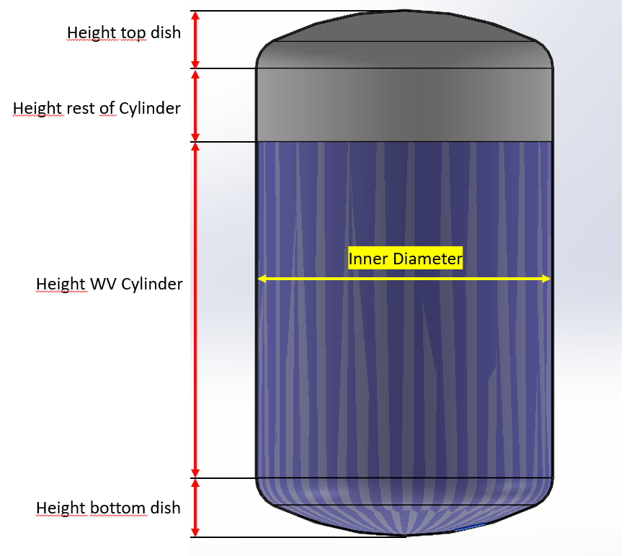
Torispherical (Kloepper Boden - DIN 28011) |  |  |  |  |  |  |  |  |  |  |  |  |  | Size | MHø/2 | TPø/2 | FSø/2 | TP to top of FS (FS2) | Top of MH | Last drop
Dimensions water volume |  |  |  |  |  |  |  |  |  |  |  |  |  | ZG1 | 35 | 27.5 | 9 | 61.3 | 90 | 16.4
Dish Type | Torispherical acc. to DIN 28011 (SMS2634, Kloepper) |  |  |  |  |  |  |  |  |  |  |  |  | ZG2 | 48 | 27.5 | 9 | 61.8 | 90.5 | 18.9
Volume | 2000 | L |  |  |  |  |  |  |  |  |  |  |  |  | 0 | 0 | 0
Inner diameter | 1282 | mm |  |  |  |  |  |  |  |  |  |  |  | ZG3 | 58.5 | 47 | 16 | 91 | 162.8 | 19.4
Inner radius | 641 | mm |  |  |  |  |  |  |  |  |  |  |  | ZG5 | 74 | 47 | 16 | 101 | 172.8 | 20.0
Wall thickness | 5 | mm |  |  |  |  |  |  |  |  |  |  |  | ZG6 | 80 | 52 | 16 | 102.5 | 174.3 | 19.6
Outer diameter | 1292 | mm |  |  |  |  |  |  |  |  |  |  |  | ZG7 | 88.5 | 64.75 | 16 | 106 | 177.8 | 18.9
Crown Radius (CR) | 1292 |  |  |  |  |  |  |  |  |  |  |  |  | ZG8 | 118 | 79.75 | 20 | 107.6 | 199.5 | 19.1
Knuckle Radius (KR) | 129.2 |  |  |  |  |  |  |  |  |  |  |  |  | ZG9 | 150 | 99.75 | 20 | 119.6 | 211.1 | 19.1
Center to KR (L) | 568.7 |  |  |  |  |  |  |  |  |  |  |  |  | ZG10 | 175 | 114.75 | 20 | 125.5 | 217 | 18.6
 |  |  |  |  |  |  |  |  |  |  |  |  |  | ZG11 | 200 | 124.75 | 0
Tankplate distance from center | 171 mm - 285 mm |  |  |  |  |  |  |  |  |  |  |  |  | ZG12 | 225 | 124.75 | 0
Tankplate distance from center (imperial) | 6,8 in - 11,2 in |  |  |  |  |  |  |  |  |  |  |  |  | HS2 | 33 | 40 | 9 | 89.8 | 138.2 | 42
Volume bottom dish (VD) | 209 | L |  |  |  |  |  |  |  |  |  |  |  | HS5 | 52.5 | 57 | 16 | 131.5 | 211.3 | 47
Height bottom dish (DH) | 247.7 | mm |  |  |  |  |  |  |  |  |  |  |  | HS8 | 69.5 | 80 | 20 | 169 | 260 | 58
Volume Cylinder | 1791.4 | L |  |  |  |  |  |  |  |  |  |  |  | HP2 | 33 | 27.5 | 9 | 61.6 | 108.8 | 34.1
Height WV cylinder | 1386.2 | mm |  |  |  |  |  |  |  |  |  |  |  | HP5 | 51.5 | 47 | 16 | 100.4 | 180.2 | 47.4
Ratio | 1.3 |  |  |  |  |  |  |  |  |  |  |  |  | HP8 | 68 | 79.75 | 20 | 137 | 228.8 | 78
 |  |  |  |  |  |  |  |  |  |  |  |  |  | ZGP2 | 48 | 27.5 | 9
 |  |  |  |  |  |  |  |  |  |  |  |  |  | ZGP5 | 75 | 47 | 16 | 101 | 179 | 20
Dimensions up to top of cylinder (Maximum Volume) |  |  | Mixer parameters | Min min | Max min |  |  |  |  |  |  |  |  | ZGP7 | 88.5 | 64.75 | 16 | 105 | 187 | 20
Volume rest of cyl | 400 | L | Mixers | ZG10 | ZG10 | N/A | N/A | N/A | N/A | N/A | N/A | N/A | N/A | ZGP8 | 118 | 79.75 | 20 | 109 | 201 | 21.38
Inner diameter | 1282 | mm | TPø/2 [mm] | 114.75 | 114.75 | N/A | N/A | N/A | N/A | N/A | N/A | N/A | N/A | ZFM100 | 70 | 54.75 | 36.75 | 55 | 66.5 | 31.1
Wall thickness | 5 | mm | Female Sleeve Radius (FSø/2) [mm] | 20 | 20 | N/A | N/A | N/A | N/A | N/A | N/A | N/A | N/A | ZFM160 | 110 | 84 | 61 | 71.5 | 169.5 | 41.5
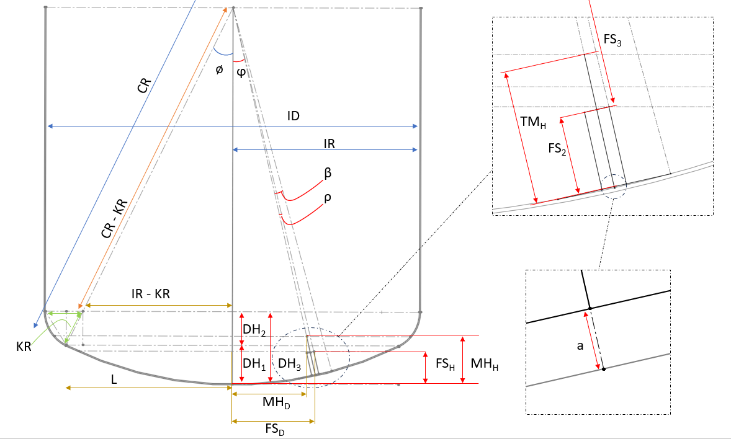
 |  |  | Female Sleeve Height (FS2) [mm] | 125.5 | 125.5 | N/A | N/A | N/A | N/A | N/A | N/A | N/A | N/A
Height top dish | 247.7 | mm | Top of MH (TMH) [mm] | 217 | 217 | N/A | N/A | N/A | N/A | N/A | N/A | N/A | N/A
Height rest of cylinder | 309.9 | mm | Last Drop height [mm] | 18.62 | 18.62 | N/A | N/A | N/A | N/A | N/A | N/A | N/A | N/A
Complete vessel height | 2191.5 | mm | MH/2 [mm] | 175 | 175 | N/A | N/A | N/A | N/A | N/A | N/A | N/A | N/A

 |  |  | Min vol & Last drop | ZG10 | ZG10 | N/A | N/A | N/A | N/A | N/A | N/A | N/A | N/A
Vessel Weight |  |  | DH1 | 131.9 | 131.9 | 131.9 | 131.9 | 131.9 | 131.9 | 131.9 | 131.9 | 131.9 | 131.9
Tot Vessel inner Weight | 20868.5 | kg | ϕ [deg] | 7.59 | 12.71 | 7.59 | 12.71 | 7.59 | 12.71 | 7.59 | 12.71 | 7.59 | 12.71
Vessel outer Weight | 21303.7 | kg | β [deg] | 5.10 | 5.10 | N/A | N/A | N/A | N/A | N/A | N/A | N/A | N/A
Estimated empty vessel weight | 440.0 | kg | a [mm] | 5.11 | 5.11 | N/A | N/A | N/A | N/A | N/A | N/A | N/A | N/A
 |  |  | ρ (min vol) [deg] | 0.987 | 0.987 | N/A | N/A | N/A | N/A | N/A | N/A | N/A | N/A
 |  |  | ρ (last drop) [deg] | 7.856 | 7.856 | N/A | N/A | N/A | N/A | N/A | N/A | N/A | N/A
 |  |  | ρ (min vol ATEX) [deg]
ID | 1000.0 |  | FS3 (min vol) [mm] | 1161.57 | 1161.57 | N/A | N/A | N/A | N/A | N/A | N/A | N/A | N/A
 |  |  | FS3 (last drop) [mm] | 1280.29 | 1280.29 | N/A | N/A | N/A | N/A | N/A | N/A | N/A | N/A
 |  |  | MH3 (min vol ATEX) [mm] | 1069.89 | 1069.89 | N/A | N/A | N/A | N/A | N/A | N/A | N/A | N/A
 |  |  | FSD (min vol) [mm] | 173.18 | 275.10 | N/A | N/A | N/A | N/A | N/A | N/A | N/A | N/A
 |  |  | FSD (last drop) [mm] | 340.93 | 449.82 | N/A | N/A | N/A | N/A | N/A | N/A | N/A | N/A
 |  |  | MHD (min vol ATEX) [mm] | 141.27 | 235.45 | N/A | N/A | N/A | N/A | N/A | N/A | N/A | N/A
 |  |  | FSH (min vol) [mm] | 143.42 | 163.48 | N/A | N/A | N/A | N/A | N/A | N/A | N/A | N/A
 |  |  | FSH (last drop) [mm] | 57.94 | 93.33 | N/A | N/A | N/A | N/A | N/A | N/A | N/A | N/A
 |  |  | MHH (min vol ATEX) [mm] | 231.47 | 248.34 | N/A | N/A | N/A | N/A | N/A | N/A | N/A | N/A
 |  |  | Minimum Continous working volume [L] | 80.49 | 103.73 | N/A | N/A | N/A | N/A | N/A | N/A | N/A | N/A
 |  |  | Last Drop mixing volume during drain [L] | 13.42 | 34.51 | N/A | N/A | N/A | N/A | N/A | N/A | N/A | N/A
 |  |  | Minimum Continous working volume ATEX [L] | 188.63 | 209.34 | N/A | N/A | N/A | N/A | N/A | N/A | N/A | N/A

ZG
Mixing Intensity | 1.2 |  | 1.2 |  | 1.2 |  | 1.2 |  | 1.2 |  | 1.2 |  | 1.2 |  | 1.2 |  | 1.2 |  | 1.2 |  | 1.2
Mix Volume | 10 |  | 50 |  | 250 |  | 850 |  | 1200 |  | 2000 |  | 5000 |  | 10000 |  | 20000 |  | 20000 |  | 20000
 | Volume | Viscosity | Volume | Viscosity | Volume | Viscosity | Volume | Viscosity | Volume | Viscosity | Volume | Viscosity | Volume | Viscosity | Volume | Viscosity | Volume | Viscosity | Volume | Viscosity | Volume | Viscosity
 | ZG1 | ZG1 | ZG2 | ZG2 | ZG3 | ZG3 | ZG5 | ZG5 | ZG6 | ZG6 | ZG7 | ZG7 | ZG8 | ZG8 | ZG9 | ZG9 | ZG10 | ZG10
 | 12 | 1 | 60 | 1 | 300 | 1 | 1020 | 1 | 1440 | 1 | 2400 | 1 | 6000 | 1 | 12000 | 1 | 24000 | 1 | 30000 | 1 | 50000 | 1
 | 11 | 5 | 55 | 5 | 273 | 5 | 928 | 5 | 1310 | 5 | 2184 | 5 | 5460 | 5 | 10920 | 5 | 21840 | 5
 | 10 | 10 | 50 | 10 | 249 | 10 | 847 | 10 | 1195 | 10 | 1992 | 10 | 4980 | 10 | 9960 | 10 | 19920 | 10
 | 9 | 15 | 46 | 15 | 231 | 15 | 785 | 15 | 1109 | 15 | 1848 | 15 | 4620 | 15 | 9240 | 15 | 18480 | 15
 | 9 | 20 | 43 | 20 | 216 | 20 | 734 | 20 | 1037 | 20 | 1728 | 20 | 4320 | 20 | 8640 | 20 | 17280 | 20
 | 8 | 25 | 41 | 25 | 204 | 25 | 694 | 25 | 979 | 25 | 1632 | 25 | 4080 | 25 | 8160 | 25 | 16320 | 25
 | 8 | 30 | 39 | 30 | 197 | 30 | 668 | 30 | 943 | 30 | 1572 | 30 | 3930 | 30 | 7860 | 30 | 15720 | 30
 | 8 | 35 | 38 | 35 | 189 | 35 | 643 | 35 | 907 | 35 | 1512 | 35 | 3780 | 35 | 7560 | 35 | 15120 | 35
 | 7 | 40 | 37 | 40 | 185 | 40 | 627 | 40 | 886 | 40 | 1476 | 40 | 3690 | 40 | 7380 | 40 | 14760 | 40
 | 7 | 45 | 36 | 45 | 180 | 45 | 612 | 45 | 864 | 45 | 1440 | 45 | 3600 | 45 | 7200 | 45 | 14400 | 45
 | 7 | 50 | 35 | 50 | 176 | 50 | 598 | 50 | 844 | 50 | 1406 | 50 | 3516 | 50 | 7032 | 50 | 14064 | 50
 | 7 | 55 | 34 | 55 | 171 | 55 | 581 | 55 | 821 | 55 | 1368 | 55 | 3420 | 55 | 6840 | 55 | 13680 | 55
 | 7 | 60 | 34 | 60 | 168 | 60 | 571 | 60 | 806 | 60 | 1344 | 60 | 3360 | 60 | 6720 | 60 | 13440 | 60
 | 7 | 65 | 33 | 65 | 165 | 65 | 561 | 65 | 792 | 65 | 1320 | 65 | 3300 | 65 | 6600 | 65 | 13200 | 65
 | 6 | 70 | 32 | 70 | 162 | 70 | 551 | 70 | 778 | 70 | 1296 | 70 | 3240 | 70 | 6480 | 70 | 12960 | 70
 | 6 | 75 | 32 | 75 | 159 | 75 | 541 | 75 | 763 | 75 | 1272 | 75 | 3180 | 75 | 6360 | 75 | 12720 | 75
 | 6 | 80 | 31 | 80 | 156 | 80 | 530 | 80 | 749 | 80 | 1248 | 80 | 3120 | 80 | 6240 | 80 | 12480 | 80
 | 6 | 85 | 31 | 85 | 153 | 85 | 520 | 85 | 734 | 85 | 1224 | 85 | 3060 | 85 | 6120 | 85 | 12240 | 85
 | 6 | 90 | 30 | 90 | 150 | 90 | 510 | 90 | 720 | 90 | 1200 | 90 | 3000 | 90 | 6000 | 90 | 12000 | 90
 | 6 | 95 | 29 | 95 | 147 | 95 | 500 | 95 | 706 | 95 | 1176 | 95 | 2940 | 95 | 5880 | 95 | 11760 | 95
 | 6 | 100 | 29 | 100 | 146 | 100 | 495 | 100 | 698 | 100 | 1164 | 100 | 2910 | 100 | 5820 | 100 | 11640 | 100
 | 5 | 150 | 26 | 150 | 129 | 150 | 439 | 150 | 619 | 150 | 1032 | 150 | 2580 | 150 | 5160 | 150 | 10320 | 150
 | 5 | 200 | 23 | 200 | 117 | 200 | 398 | 200 | 562 | 200 | 936 | 200 | 2340 | 200 | 4680 | 200 | 9360 | 200
 | 4 | 250 | 21 | 250 | 107 | 250 | 362 | 250 | 511 | 250 | 852 | 250 | 2130 | 250 | 4260 | 250 | 8520 | 250
 | 4 | 300 | 19 | 300 | 96 | 300 | 326 | 300 | 461 | 300 | 768 | 300 | 1920 | 300 | 3840 | 300 | 7680 | 300
 | 3 | 350 | 17 | 350 | 87 | 350 | 296 | 350 | 418 | 350 | 696 | 350 | 1740 | 350 | 3480 | 350 | 6960 | 350
 | 3 | 400 | 16 | 400 | 78 | 400 | 265 | 400 | 374 | 400 | 624 | 400 | 1560 | 400 | 3120 | 400 | 6240 | 400
 | 3 | 450 | 14 | 450 | 71 | 450 | 240 | 450 | 338 | 450 | 564 | 450 | 1410 | 450 | 2820 | 450 | 5640 | 450
 | 3 | 500 | 13 | 500 | 63 | 500 | 214 | 500 | 302 | 500 | 504 | 500 | 1260 | 500 | 2520 | 500 | 5040 | 500
 | 2 | 550 | 11 | 550 | 57 | 550 | 194 | 550 | 274 | 550 | 456 | 550 | 1140 | 550 | 2280 | 550 | 4560 | 550
 | 2 | 600 | 10 | 600 | 51 | 600 | 173 | 600 | 245 | 600 | 408 | 600 | 1020 | 600 | 2040 | 600 | 4080 | 600
 | 2 | 650 | 9 | 650 | 45 | 650 | 153 | 650 | 216 | 650 | 360 | 650 | 900 | 650 | 1800 | 650 | 3600 | 650
 | 2 | 700 | 8 | 700 | 40 | 700 | 135 | 700 | 190 | 700 | 317 | 700 | 792 | 700 | 1584 | 700 | 3168 | 700
 | 1 | 750 | 7 | 750 | 35 | 750 | 117 | 750 | 166 | 750 | 276 | 750 | 690 | 750 | 1380 | 750 | 2760 | 750
 | 1 | 800 | 6 | 800 | 30 | 800 | 102 | 800 | 144 | 800 | 240 | 800 | 600 | 800 | 1200 | 800 | 2400 | 800
Max vol at current cP | 1 |  | 6 |  | 30 |  | 102 |  | 144 |  | 240 |  | 600 |  | 1200 |  | 2400 |  | 0 |  | 0

Recommended Mixer | ZG10 |  | Kod för implementering av ZG11 och ZG12 | N/A | ZG10
Alternative choice | 0

 | Storlek | N [rpm] | D [Mixer YD mm] | Power Number (Np) | ρ= densitet [kg/m3 ] | Volume [l] max | P (Teoretisk) [W] | τ Vridmoment mag [Nm] | τ Vridmoment uträknat [Nm] | P/V | Tip speed [m/s] | TP Diameter [mm] | Pumping Number NQ | Female Sleeve ID
 | ZG1 | 490 | 70 | 6.685 | 1000 | 10 | 6.120 | 1 | 0.12 | 0.61 | 1.80 | 55 | 1.16 | 18 |  | 0.062427827505 |  |  |  |  | Primary & alternative |  | Metric | Unit | Imperial | Unit
Referensvärde | ZG1 | 490 | 70 | 6.685 | 1000 | 10 | 6.120 | 1 | 0.12 | 0.61 | 1.80 | 55 | 1.16 | 18 |  | 1000 |  |  |  |  |  | Max speed: | 245 | rpm | 245 | rpm
 | ZG2 | 490 | 96 | 6.685 | 1000 | 50 | 29.689 | 1 | 0.58 | 0.594 | 2.46 | 55 | 1.16 | 18 |  |  |  |  |  |  |  | Power/Volume | 1.1952 | W/L | 4.524 | W/gal | Example graph
Referensvärde | ZG2 | 490 | 96 | 6.685 | 1000 | 50 | 29.689 | 1 | 0.58 | 0.594 | 2.46 | 55 | 1.16 | 18 |  |  |  |  |  |  |  | Tip Speed | 4.49 | m/s | 883 | ft/min
 | ZG3 | 490 | 117 | 6.685 | 1000 | 250 | 79.830 | 2 | 1.56 | 0.319 | 3.00 | 94 | 1.15 | 32 |  |  |  |  |  |  |  | Max speed - Indicative blending-time 1 | 0.67 | min | 0.67
Referensvärde | ZG3 | 490 | 117 | 6.685 | 1000 | 250 | 79.830 | 2 | 1.56 | 0.319 | 3.00 | 94 | 1.15 | 32 |  |  |  |  |  |  |  | Max speed - Indicative blending-time 2 | 1.17 | min | 1.17
 | ZG5 | 490 | 148 | 6.685 | 1000 | 850 | 258.550 | 6 | 5.0 | 0.304 | 3.80 | 94 | 1.1 | 32 |  |  |  |  |  |  |  | Max speed - Indicative blending-time | 40 s - 1 min 10 s |  | 40 s - 1 min 10 s
Referensvärde | ZG5 | 490 | 148 | 6.685 | 1000 | 850 | 258.550 | 6 | 5.0 | 0.304 | 3.80 | 94 | 1.1 | 32 |  |  |  |  |  |  | Set working speed | Set Working speed: | 245 | rpm | 245 | rpm
 | ZG6 | 490 | 160 | 6.685 | 1000 | 1000 | 381.800 | 8 | 7.4 | 0.382 | 4.10 | 104 | 1 | 32 |  |  |  |  |  |  |  | Power/Volume | 1.195 | W/L | 4.5245 | W/gal
Referensvärde | ZG6 | 490 | 160 | 6.685 | 1000 | 1000 | 381.800 | 8 | 7.4 | 0.382 | 4.10 | 104 | 1 | 32 |  |  |  |  |  |  |  | Tip Speed: | 4.49 | m/s | 883 | ft/min
 | ZG7 | 490 | 177 | 6.685 | 1000 | 2000 | 632.561 | 13 | 12.3 | 0.316 | 4.54 | 129.5 | 1 | 32 |  |  |  |  |  |  |  | Set working speed - Indicative blending-time | 0,5 - 1 | min | 0,5 - 1 | min
Referensvärde | ZG7 | 490 | 177 | 6.685 | 1000 | 2000 | 632.561 | 13 | 12.3 | 0.316 | 4.54 | 129.5 | 1 | 32 |  |  |  |  |  |  |  | Reynolds Factor | 0.5
 | ZG8 | 343 | 236 | 6.685 | 1000 | 5000 | 914.303 | 26 | 25.5 | 0.183 | 4.24 | 159.5 | 1 | 40 |  |  |  |  |  |  |  | Max - Pumping capacity | 8480.0555357
Referensvärde | ZG8 | 343 | 236 | 6.685 | 1000 | 5000 | 914.303 | 26 | 25.5 | 0.183 | 4.24 | 159.5 | 1 | 40 |  |  |  |  |  |  |  | set - Pumping capacity | 8480.0555357
 | ZG9 | 245 | 300 | 6.685 | 1000 | 10000 | 1105.993 | 50 | 43.1 | 0.111 | 3.85 | 199.5 | 1.15 | 40 |  |  |  |  |  |  |  | T95 | 0.7075425361
Referensvärde | ZG9 | 245 | 300 | 6.685 | 1000 | 10000 | 1105.993 | 50 | 43.1 | 0.111 | 3.85 | 199.5 | 1.15 | 40 |  |  |  |  |  |  |  | T99 | 1.1792375602
 | ZG10 | 245 | 350 | 6.685 | 1000 | 2000 | 2390.486 | 100 | 93.2 | 1.195 | 4.49 | 229.5 | 1.15 | 40
Referensvärde | ZG10 | 245 | 350 | 6.685 | 1000 | 2000 | 2390.486 | 100 | 93.2 | 1.195 | 4.49 | 229.5 | 1.15 | 40 |  |  |  |  |  |  |  |  | Time (minutes)
 | ZG11 | 245 | 400 | 6.685 | 1000 | 35000 | 4660.643 |  | 181.7 | 0.133 | 5.13 | 249.5 |  |  |  |  |  |  |  |  |  | Tank Turnovers at 800cP | Max speed | Set working speed
Referensvärde | ZG11 | 245 | 400 | 6.685 | 1000 | 35000 | 4660.643 |  | 181.7 | 0.133 | 5.13 | 249.5 |  |  |  |  |  |  |  |  |  | 0 | 0.00 | 0.00
 | ZG12 | 245 | 450 | 6.685 | 1000 | 60000 | 8398.631 |  | 327.3 | 0.140 | 5.77 | 249.5 |  |  |  |  |  |  |  |  |  | 1 | 0.24 | 0.24
Referensvärde | ZG12 | 245 | 450 | 6.685 | 1000 | 60000 | 8398.631 |  | 327.3 | 0.140 | 5.77 | 249.5 |  |  |  |  |  |  |  |  |  | 2 | 0.47 | 0.47
 |  |  |  |  |  |  |  |  |  |  |  |  |  |  |  |  |  |  |  |  |  | 3 | 0.71 | 0.71
 |  |  |  |  |  |  |  |  |  |  |  |  |  |  |  |  |  |  |  |  |  | 4 | 0.94 | 0.94
 |  |  |  |  |  |  |  |  |  |  |  |  |  |  |  |  |  |  |  |  |  | 5 | 1.18 | 1.18
 |  |  |  |  |  |  |  |  |  |  |  |  |  |  |  |  |  |  |  |  |  | 6 | 1.42 | 1.42
 |  |  |  |  |  |  |  |  |  |  |  |  |  |  |  |  |  |  |  |  |  | 7 | 1.65 | 1.65
 |  |  |  |  |  |  |  |  |  |  |  |  |  |  |  |  |  |  |  |  |  | 8 | 1.89 | 1.89
 |  |  |  |  |  |  |  |  |  |  |  |  |  |  |  |  |  |  |  |  |  | 9 | 2.12 | 2.12
 |  |  |  |  |  |  |  |  |  |  |  |  |  |  |  |  |  |  |  |  |  | 10 | 2.36 | 2.36

